Sun
BRAND | PICTURE | MODEL | COLOR | QTY AVAILABLE | RETAIL PRICE ITALIA
Dior | 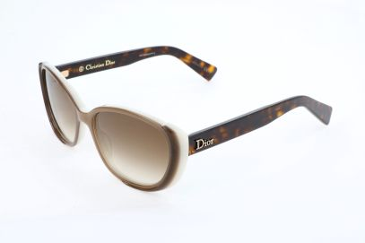 762753109811 | CD3244S | T6W | 100 | 270.00
Dior | 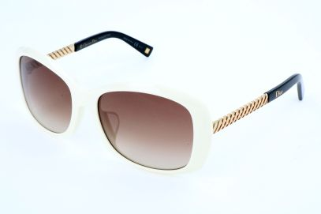 762753264039 | DIOREVER1F | BTJ | 29 | 300.00
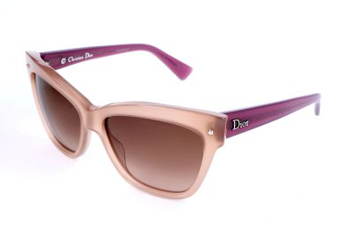 Dior | 762753735720 | DIORJUPON2 | 3JU | 7 | 240.00
Dior | 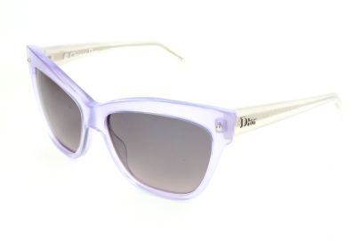 762753735751 | DIORJUPON2 | 3KI | 19 | 240.00
Dior | 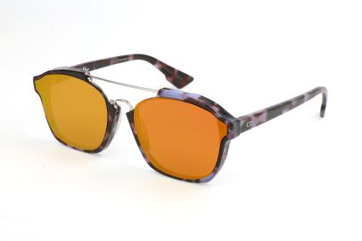 762753268136 | DIORABSTRACT | YH0 | 16 | 370.00
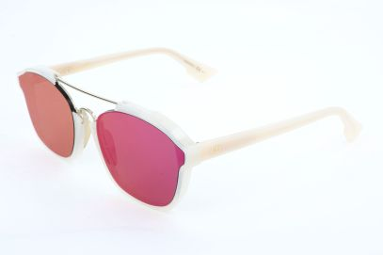 Dior | 827886413133 | DIORABSTRACT | 6NM | 77 | 370.00
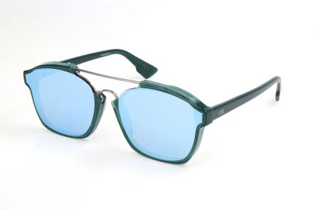 Dior | 827886413171 | DIORABSTRACT | CJH | 3 | 370.00
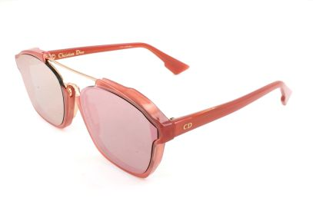 Dior | 827886413089 | DIORABSTRACT | GGX | 100 | 370.00
Dior | 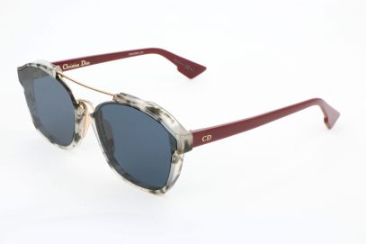 762753828880 | DIORABSTRACT | 1QX | 100 | 370.00
Dior | 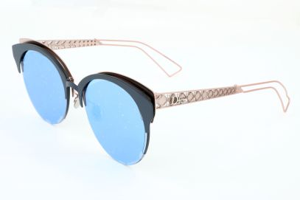 762753684189 | DIORAMACLUB | FBX | 40 | 450.00
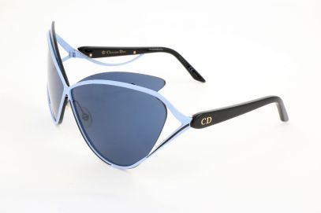 Dior | 827886346943 | DIORAUDACIEUSE1 | 4CB | 100 | 400.00
Dior | 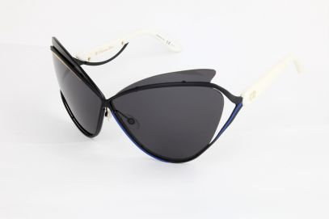 827886346950 | DIORAUDACIEUSE1 | 4CH | 50 | 400.00
Dior | 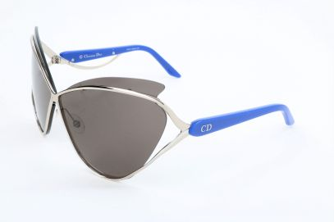 827886346967 | DIORAUDACIEUSE1 | 4CL | 96 | 400.00
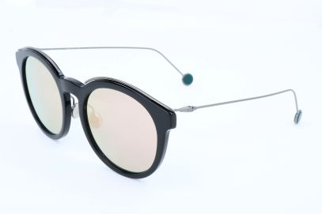 Dior | 762753191885 | DIORBLOSSOM | ANS | 27 | 390.00
Dior | 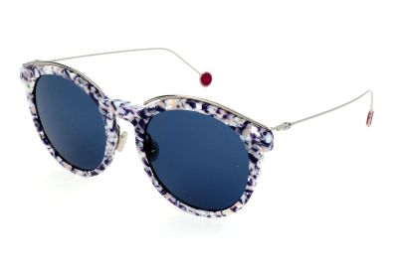 762753442703 | DIORBLOSSOM | GKR | 18 | 390.00
Dior | 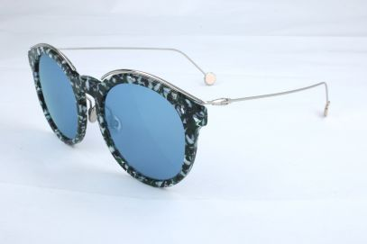 762753192028 | DIORBLOSSOM | YE6 | 100 | 390.00
Dior | 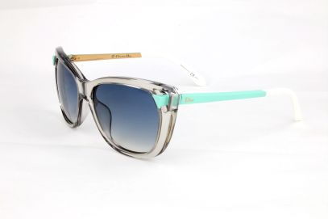 762753236760 | DIORCHROMATIC1 | 6MF | 100 | 290.00
Dior | 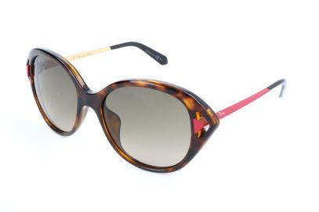 762753220264 | DIORCHROMATIC2 | 6LY | 4 | 290.00
Dior | 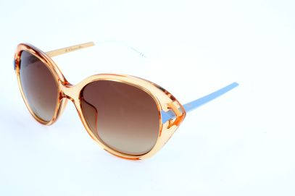 762753220332 | DIORCHROMATIC2 | 6MD | 81 | 290.00
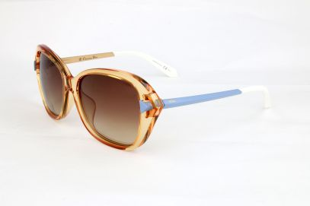 Dior | 762753460127 | DIORCHROMATICF | 6MD | 100 | 290.00
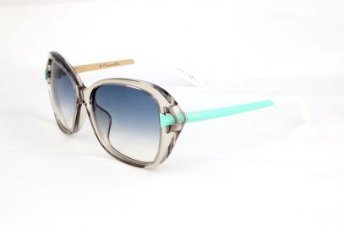 Dior | 762753460332 | DIORCHROMATICF | 6MF | 51 | 290.00
Dior | 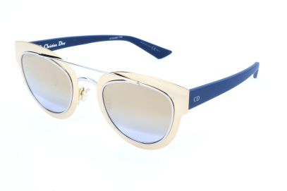 762753016829 | DIORCHROMIC | LML | 10 | 420.00
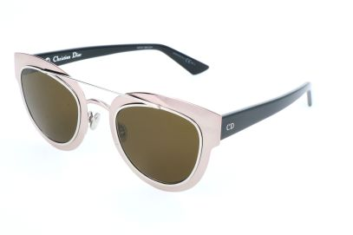 Dior | 762753619136 | DIORCHROMIC | RKU | 83 | 420.00
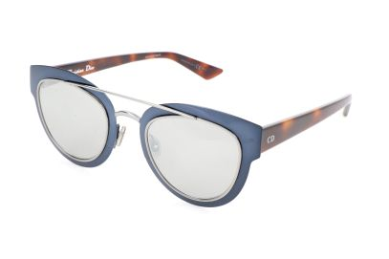 Dior | 762753619433 | DIORCHROMIC | RKW | 100 | 420.00
Dior | 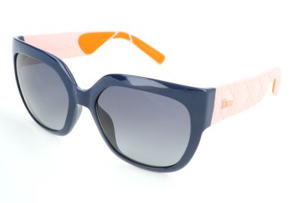 762753653246 | MYDIOR3R | N46 | 100 | 260.00
Dior | 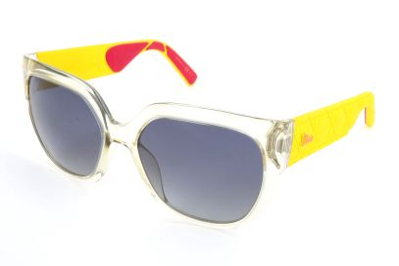 762753862945 | MYDIOR3R | SEJ | 17 | 260.00
Dior | 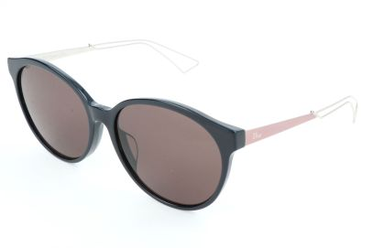 762753190857 | DIORCONFIDENT1F | URC | 100 | 270.00
Dior | 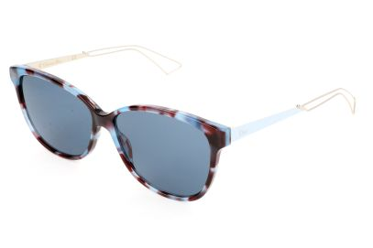 762753959539 | DIORCONFIDENT2 | RK2 | 15 | 270.00
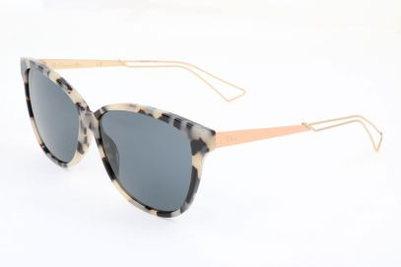 Dior | 762753959577 | DIORCONFIDENT2 | RKA | 7 | 270.00
Dior | 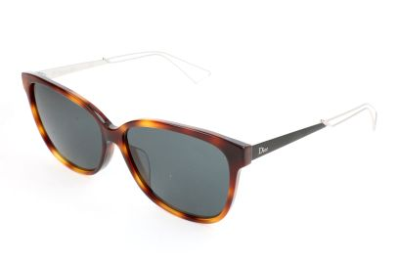 762753316707 | DIORCONFIDENT2F | 9G0 | 100 | 270.00
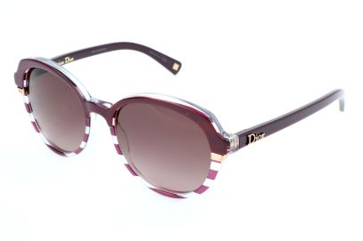 Dior | 762753219947 | DIORCROISETTE3 | DSY | 72 | 240.00
Dior | 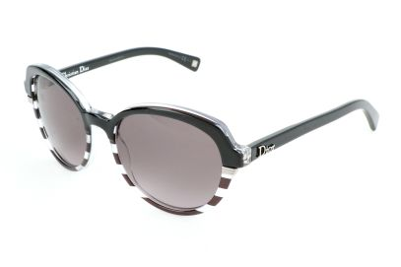 762753427250 | DIORCROISETTE3 | DTA | 62 | 240.00
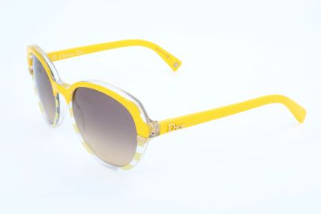 Dior | 762753086006 | DIORCROISETTE3 | DUA | 38 | 240.00
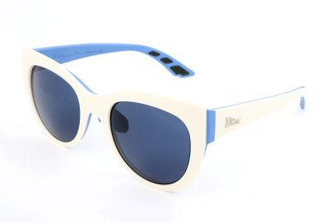 Dior | 762753459312 | DIORDECALE1 | BRK | 100 | 250.00
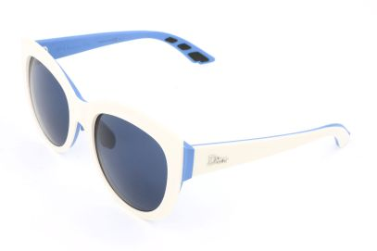 Dior | 762753431516 | DIORDECALE1F | BRK | 38 | 250.00
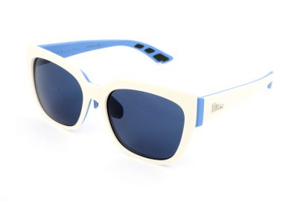 Dior | 762753459268 | DIORDECALE2 | BRK | 65 | 250.00
Dior | 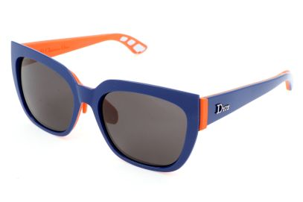 762753459282 | DIORDECALE2 | BSK | 50 | 250.00
Dior | 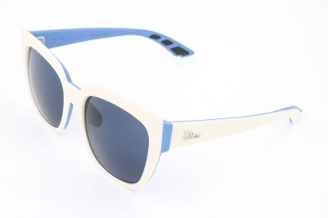 762753431882 | DIORDECALE2F | BRK | 34 | 250.00
Dior | 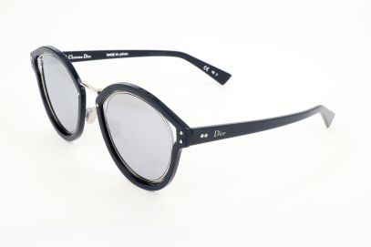 762753230805 | DIORELLIPTIC | EI8 | 100 | 680.00
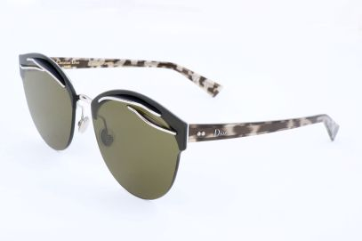 Dior | 762753699800 | DIOREMPRISE | YL7 | 69 | 720.00
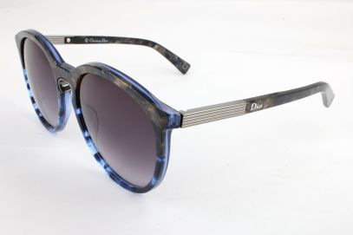 Dior | 762753162427 | DIORENTRACTE1 | 38C | 3 | 260.00
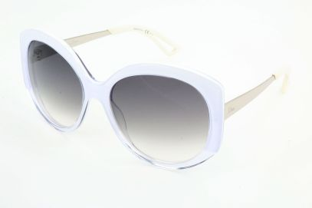 Dior | 762753696847 | DIOREXTASE1 | KXL | 9 | 280.00
Dior | 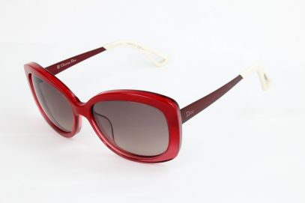 762753697578 | DIOREXTASE2 | KWD | 48 | 280.00
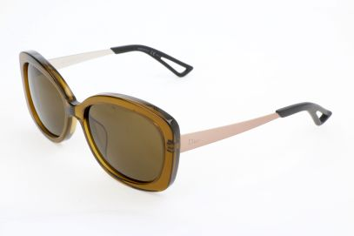 Dior | 762753619075 | DIOREXTASE2 | RKE | 3 | 280.00
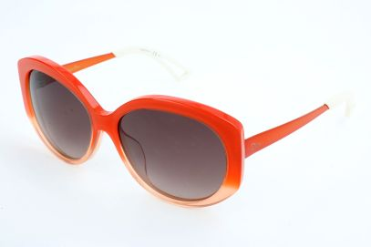 Dior | 762753773180 | DIOREXTASEF | KW5 | 20 | 280.00
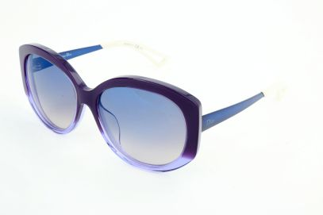 Dior | 762753773197 | DIOREXTASEF | KW7 | 100 | 280.00
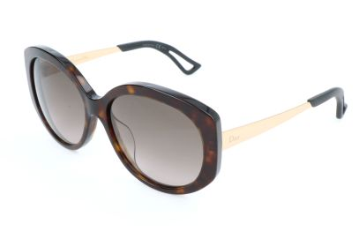 Dior | 762753773333 | DIOREXTASEF | QSH | 30 | 280.00
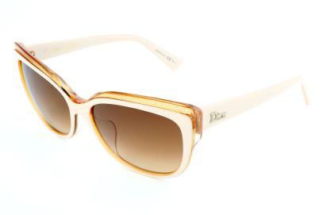 Dior | 762753225382 | DIORGLISTENF | E5D | 81 | 250.00
Dior | 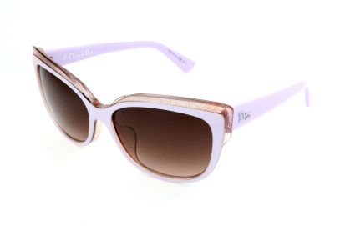 762753225399 | DIORGLISTENF | E5F | 86 | 250.00
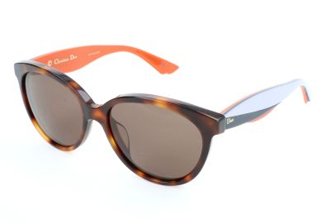 Dior | 762753665881 | DIORENVOL3 | LWK | 34 | 250.00
Dior | 762753603142 | DIORINSPIRED | 1SQ | 100 | 580.00
Dior | 762753603500 | DIORINSPIRED | 1SR | 100 | 580.00
Dior | 762753765475 | DIORISSIMO1FN | EWG | 8 | 400.00
Dior | 762753694065 | DIORJUPON1F | 3KI | 24 | 240.00
Dior | 762753045201 | DIORLADY1RF | GRS | 100 | 340.00
Dior | 762753264138 | DIORLADYLADY1O | NQH | 100 | 320.00
Dior | 827886990849 | DIORLADYLADY2 | EIF | 25 | 260.00
Dior | 762753496553 | DIORMETALEYES1F | 6OA | 100 | 350.00
Dior | 762753263490 | DIORMETALEYESF | 6OA | 48 | 350.00
Dior | 762753716392 | DIORMIRRORED | I22 | 60 | 390.00
Dior | 762753753182 | DIOROFFSET1 | 9N7 | 7 | 460.00
Dior | 762753753397 | DIOROFFSET1 | W6Q | 9 | 460.00
Dior | 762753787675 | DIORORIGINS1 | 06J | 5 | 460.00
Dior | 762753715791 | DIORPROMESSE2 | 3IG | 100 | 260.00
Dior | 827886002603 | DIORPROMESSE3 | 3IN | 56 | 260.00
Dior | 762753329356 | DIORRIBBON1N | S5M | 3 | 330.00
Dior | 762753331021 | DIORRIBBON1N | UHC | 13 | 330.00
Dior | 762753560841 | DIORSAUVAGE2 | EEG | 3 | 304.05
Dior | 827886488759 | DIORSIDERAL1 | RMD | 53 | 350.00
Dior | 762753699183 | DIORSIDERAL1 | XV4 | 100 | 350.00
Dior | 762753711366 | DIORSIDERAL1 | XW7 | 100 | 350.00
Dior | 762753463432 | DIORSPECTRAL | 01I | 100 | 470.00
Dior | 762753136442 | DIORSUMMERSETF | T6T | 52 | 304.05
Dior | 762753791801 | DIORSUPERBE | L7R | 4 | 540.00
Dior | 762753791825 | DIORSUPERBE | L82 | 100 | 540.00
Dior | 762753037169 | DIORSUPERBE | RMU | 30 | 540.00
Dior | 762753037251 | DIORSUPERBE | RMW | 30 | 540.00
Dior | 762753355805 | DIORSUPERBE | 00I | 3 | 540.00
Dior | 762753440396 | DIORTAFFETAS3 | SL1 | 74 | 240.00
Dior | 762753536006 | DIORTECHNOLOGIC | PQU | 4 | 390.00
Dior | 762753536099 | DIORTECHNOLOGIC | XG9 | 4 | 390.00
Dior | 827886007486 | DIORTECHNOLOGIC | TVC | 100 | 390.00
Dior | 762753532480 | DIORTIEDYE1 | EEW | 48 | 240.00
Dior | 762753058577 | DIORTIEDYE2 | 98M | 7 | 240.00
Dior | 762753058720 | DIORTIEDYE2 | BQ1 | 48 | 240.00
Dior | 762753903464 | DIORTWISTINGF | JXG | 100 | 320.00
Dior | 762753701213 | DIORLADY2R | GRZ | 7 | 340.00
Dior | 762753562371 | DIORUN | BKL | 31 | 360.00
Dior | 762753562395 | DIORUN | BOF | 30 | 360.00
Dior | 762753208576 | DIORSOFT1 | NHJ | 3 | 270.00
Dior | 762753208903 | DIORSOFT1 | PZB | 3 | 270.00
Dior | 762753210111 | DIORSOFT1F | NHJ | 100 | 270.00
Dior | 762753210128 | DIORSOFT1F | PZB | 100 | 270.00
Dior | 762753620804 | VERYDIOR2N | R7H | 42 | 400.00
Dior | 827886604173 | DIORUNIQUE | DDB | 100 | 750.00
Dior | 762753497550 | WILDLYDIOR | P7H | 9 | 390.00
Dior | 827886494095 | DIORSPLIT1 | 010 | 19 | 430.00
Dior | 827886494149 | DIORSPLIT1 | 010 | 13 | 430.00
Dior | 762753560186 | VERYDIOR1N | 6NM | 96 | 310.00
Dior | 762753560179 | VERYDIOR1N | CJH | 5 | 310.00
Dior | 762753560230 | VERYDIOR1N | GGX | 100 | 310.00
Dior | 762753560162 | VERYDIOR1N | TVZ | 9 | 310.00
Dior | 762753859563 | DIORSUN | RCM | 100 | 440.00
Dior | 762753859976 | DIORSUN | RCV | 100 | 440.00
Dior | 762753860491 | DIOROUND | 003 | 9 | 340.00
Dior | 762753862488 | DIOROUND | PRC | 44 | 340.00
Dior | 762753863768 | DIORSIGHT1 | REM | 10 | 300.00
Dior | 762753864178 | DIORSIGHT1 | REN | 59 | 300.00
Dior | 762753864260 | DIORSIGHT1 | REP | 27 | 300.00
Dior | 762753864604 | DIORNIGHT2 | RIU | 3 | 250.00
Dior | 827886807895 | DIORNIGHT1 | RJA | 100 | 250.00
Dior | 762753976246 | DIORLINER | UGM | 56 | 280.00
Dior | 762753976253 | DIORLINER | UGR | 31 | 280.00
Dior | 762753976390 | DIORLINER | UGT | 13 | 280.00
Dior | 827886059492 | DIORNIGHTF | RIU | 55 | 250.00
Dior | 762753198679 | MONTAIGNE18S | MVP | 4 | 250.00
Dior | 827886412549 | VERYDIOR1N | VV5 | 100 | 310.00
Dior | 827886413362 | VERYDIOR1N | VV6 | 100 | 310.00
Dior | 827886065790 | DIORAMA1 | TGV | 63 | 380.00
Dior | 827886539772 | DIORAMA3 | TGY | 14 | 320.00
Dior | 827886539789 | DIORAMA3 | TGZ | 30 | 320.00
Dior | 827886136919 | DIORAMA1F | TGV | 19 | 370.00
Dior | 827886413676 | DIORSOREAL | VU0 | 5 | 480.00
Dior | 827886413683 | DIORSOREAL | VUP | 35 | 480.00
Dior | 827886068227 | DIORAMA1 | Y0V | 73 | 380.00
Dior | 762753035691 | DIORENIGME | MSX | 56 | 650.00
Dior | 762753345813 | DIORSCULPT | KN9 | 100 | 430.00
Dior | 762753345875 | DIORSCULPT | QYG | 100 | 430.00
Dior | 762753279286 | DIORONDE2 | X6E | 100 | 250.00
Dior | 762753279804 | DIORONDE2 | X8W | 100 | 250.00
Dior | 762753346452 | DIORONDE1 | X8W | 100 | 300.00
Dior | 762753960153 | DIORAMA3N | SBL | 100 | 320.00
Dior | 762753960184 | DIORAMA3N | V06 | 100 | 320.00
Dior | 762753960382 | DIORAMA5N | SBL | 38 | 320.00
Dior | 762753960399 | DIORAMA5N | V06 | 28 | 320.00
Dior | 762753240538 | DIORAMA5 | SBK | 22 | 320.00
Dior | 762753240606 | DIORAMA5 | SBL | 14 | 320.00
Dior | 762753954756 | SIMPLYDIORF | E1K | 100 | 240.00
Dior | 827886059331 | VERYDIOR1NF | 6NM | 16 | 310.00
Dior | 827886059461 | VERYDIOR1NF | TVZ | 54 | 310.00
Dior | 716736002330 | LADYDIORSTUDS | SX7 | 4 | 380.00
Dior | 827886060474 | DIORSIGHT1F | REN | 100 | 320.00
Dior | 762753250629 | DIORAMA5F | SBL | 8 | 320.00
Dior | 762753250230 | DIORAMA5F | SBK | 10 | 320.00
Dior | 762753116116 | DIORVOLUTE2F | NB7 | 4 | 0.00
Dior | 762753960504 | DIORAMA6NF | PJP | 3 | 300.00
Dior | 762753890832 | DIORSAVANE | 40G | 16 | 304.05
Dior | 762753479662 | DIORRIBBON1NF | S5X | 100 | 304.05
Dior | 762753388452 | DIORBLOSSOMF | GKR | 100 | 304.05
Dior | 762753388889 | DIORBLOSSOMF | YE6 | 54 | 304.05
Dior | 762753356666 | DIORONDE1 | HT8 | 40 | 305.00
Dior | 827886414505 | DIORAMA1F | Y14 | 51 | 304.05
Dior | 827886068265 | DIORAMA1F | Y0V | 10 | 390.00
Dior | 762753834027 | DIORAMA1F | SBG | 24 | 370.00
Dior | 762753241689 | DIORAMA1F | SBH | 100 | 370.00
Dior | 762753463135 | DIORSCULPTF | R7U | 100 | 304.05
Dior Homme | 762753764294 | BLACKTIE154S | 3MM | 73 | 240.00
Dior Homme | 762753244239 | BLACKTIE165S | TAG | 28 | 270.00
Dior Homme | 762753915122 | BLACKTIE174FS | 2WB | 79 | 260.00
Dior Homme | 762753915139 | BLACKTIE174FS | 2WC | 100 | 260.00
Dior Homme | 762753808127 | BLACKTIE174S | 2WA | 48 | 240.00
Dior Homme | 762753810991 | BLACKTIE174S | 2WT | 91 | 240.00
Dior Homme | 762753022639 | BLACKTIE175S | B44 | 4 | 260.00
Dior Homme | 762753865793 | BLACKTIE175S | RIY | 100 | 290.00
Dior Homme | 762753911612 | BLACKTIE176S | 3OQ | 11 | 300.00
Dior Homme | 762753911827 | BLACKTIE177S | 3OQ | 100 | 300.00
Dior Homme | 762753799142 | BLACKTIE177S | RBK | 60 | 300.00
...

